1. Title Page
[Instacart Basket Analysis Report]

Project Name: Instacart Basket Analysis
Date: September 9, 2023
Analyst Name: Anamika

Contents:
Population Flow
Consistency checks
Wrangling steps
Column derivations
Visualizations
Recommendations

2. Population Flow
 |  | Title page

Population flow

Exclusion flag
Condition: max_order < 5
Obervations to be removed: 28,34,48
Final total count of order_products_all: 32,43,44,89

Orders_products_combined
Orders_products_merged
Orders_products_all

Total:
Total: 32,43,44,89
Total: 32,43,44,89
 | 32,43,34,212

Title Page

3. Consistency checks
 |  |  |  |  | Title page
Consistency checks

Dataset | Column name | Missing values | Missing values treatment | Duplicates
orders | days_since_prior_order | 206209 | by using isnull | no duplicates found
products | product_name | 16 | by using isnull | 5 duplicates found
orders_products_prior
customers | First Name | 11259 value is null in 'first_name' column | No treatment. The null values should not impact analysis.

4. Wrangling steps
 |  |  |  |  | Title page
Wrangling steps

Data sets | Columns dropped | Columns renamed | Columns' type changed | Comment/Reason
orders | eval_set' |  |  | Unnecessary column
orders |  | order_dow' to 'orders_day_of_week |  | More descriptive name

customers |  | surname' to 'Lastname' |  | Corrected with the column name conventions

5. Column Derivation
 |  |  |  | Title page
Consistency checks
Column derivations and aggregations

Dataset | New column | Column/s it was derived from | Frequency | Conditions
df_ords_prods_merged | price_range | prices | Mid-range product 659373 Low-range product 331283 High range 9344 | if row['prices'] <= 5: return 'Low-range product' elif (row['prices'] > 5) and (row['prices'] <= 15): return 'Mid-range product' elif row['prices'] > 15: return 'High range'
df_ords_prods_merged | price_range_loc | prices | Mid range product 668717 Low range product 331283 | if row['prices'] <= 5: return 'Low-range product' elif (row['prices'] > 5) and (row['prices'] <= 15): return 'Mid-range product' elif row['prices'] > 15: return 'High range'
df_ords_prods_merged | busiest_day | orders_day_of_week | Regularly days 12927461 Busiest days 11875462 Slowest days 7631282 | if value==0: result.append("Busiest day") elif value ==4: result.append("Least day") else: result.append("Regularly busy")
df_ords_prods_merged | busiest_period_of_day | order_hour_of_day | Most orders 21137262 Average orders 10006752 Fewest orders 1290198 | if hour in [10, 11, 14, 15, 13, 12, 16, 9]: return 'Most orders' elif hour in [23, 6, 0, 1, 5, 2, 4, 3]: return 'Fewest orders' else: return 'Average orders'
ords_prods_merge | loyalty_flag | max_order | Regular customer 137631 Loyal customer 91984 New customer 53833 | ords_prods_merge['max_order'] > 40,'loyalty_flag'] = 'Loyal customer' ords_prods_merge['max_order']<=40) &( ords_prods_merge['max_order']>10) ,'loyalty_flag'= 'Regular customer' , (ords_prods_merge['max_order']<=10) ,'loyalty_flag' = 'New customer'
ords_prods_merge | Spending_Flags | spenders | Region Spending_Flag Midwest High spender 50017 Low spender 9817 Northeast High spender 41818 Low spender 8564 South High spender 79437 Low spender 15885 Unknown High spender 4635 Low spender 928 West High spender 60202 Low spender 12145 | ords_prods_merge['spenders'] < 10 ,'Spending_Flag'] = 'Low spender', ords_prods_merge['spenders'] >= 10 ,'Spending_Flag'] = 'High spender'
ords_prods_merge | Frequency_Flag | median | NaN 32314590 Regular customer 60004 Non-frequent customer 59618 | (ords_prods_merge['median'] > 20 ,'Frequency_Flag'] = 'Non-frequent customer'),(ords_prods_merge['median'] > 10 )& ords_prods_merge['median'] <=20'Frequency_Flag'] = 'Regular customer'), (ords_prods_merge['median'] <=10'Frequency_Flag']= 'Frequent customer')
ords_prods_group | Region | STATE | South 95322 West 72347 Midwest 59834 Northeast 50382 Unknown 5563 | states_to_region={'Northeast' : ['Maine','New Hampshire','Vermont','Massachusetts','Rhode Island','Connecticut','New York','Pennsylvania','New Jersey'], 'Midwest' : ['Wisconsin',' Michigan','Illinois','Indiana','Ohio','North Dakota','South Dakota','Nebraska','Kansas','Minnesota','Iowa','Missouri'], 'South' : ['Delaware','Maryland','District of Columbia','Virginia','West Virginia','North Carolina','South Carolina','Georgia','Florida','Kentucky','Tennessee','Mississippi','Alabama','Oklahoma','Texas','Arkansas','Louisiana'], 'West' : ['Idaho','Montana','Wyoming','Nevada','Utah','Colorado','Arizona','New Mexico','Alaska','Washington','Oregon','California','Hawaii'] }
ords_prods_group | Exclusion_flag | Age | Undefined 30470 Young Parent 6716 Living with parents 5339 Single Adult 4138 | if age >= 18 and age <= 40: if fam_status == 'single' and n_dependant == 0: return 'Single Adult' elif fam_status == 'married' and n_dependant >= 2: return 'Young Parent' elif fam_status == 'divorced/widowed' and n_dependant >= 1: return 'Single Parent' elif fam_status == 'divorced/widowed' and n_dependant == 0: return 'Undefined' else: return 'Living with parents' else: return 'Undefined'

6. Visualizations
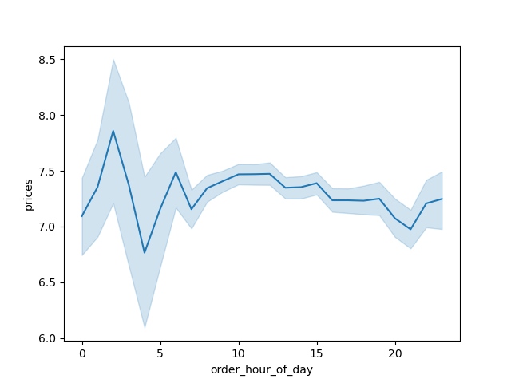
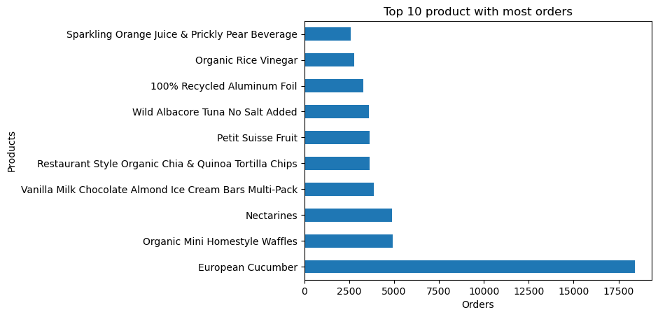
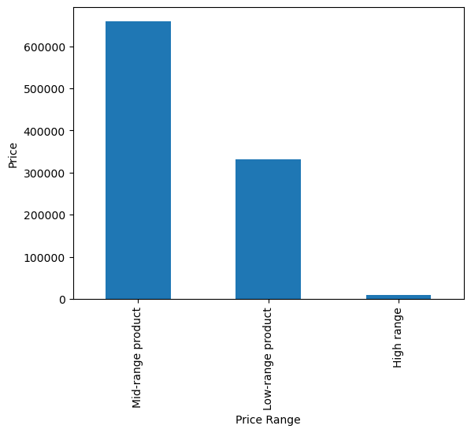
 |  | Title page

Visualisations

1. The sales team needs to know what the busiest days of the week and hours of the
day are (i.e., the days and times with the most orders) in order to schedule ads at
times when there are fewer orders.

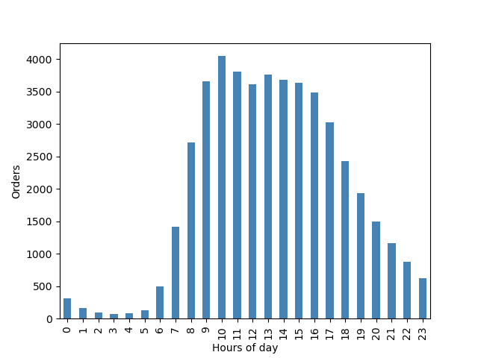
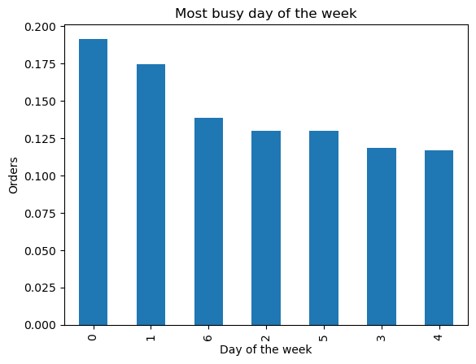
 | Busiest day is Saturday and Sunday.
 | Busiest hours of the day is 9:00 AM to 4:00PM.

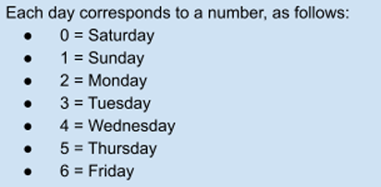

 |  |  | Busiest day is Saturday and Sunday.
 |  |  | Busiest hours of the day is 9:00 AM to 4:00PM.

2. They also want to know whether there are particular times of the day when people
spend the most money, as this might inform the type of products they advertise at
these times.

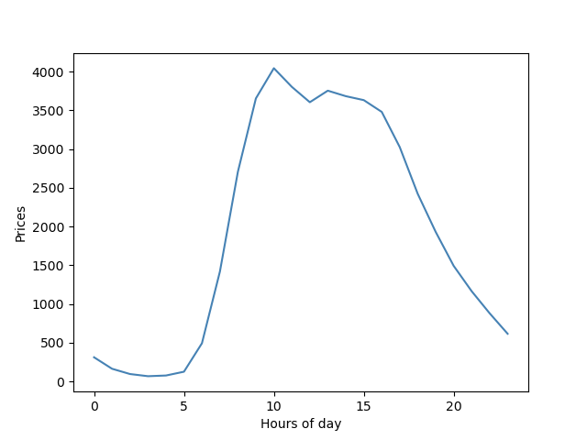

 |  |  | Peak hour of day 10:00 AM.

3. Instacart has a lot of products with different price tags. Marketing and sales want to use simpler price range groupings to help direct their efforts.

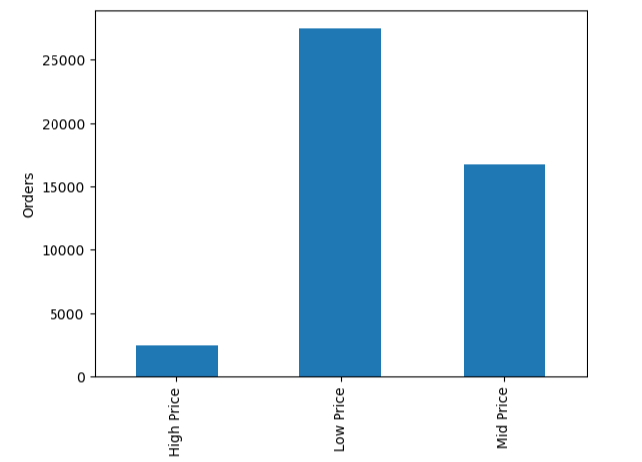

4. Are there certain types of products that are more popular than others? The marketing
and sales teams want to know which departments have the highest frequency of
product orders.

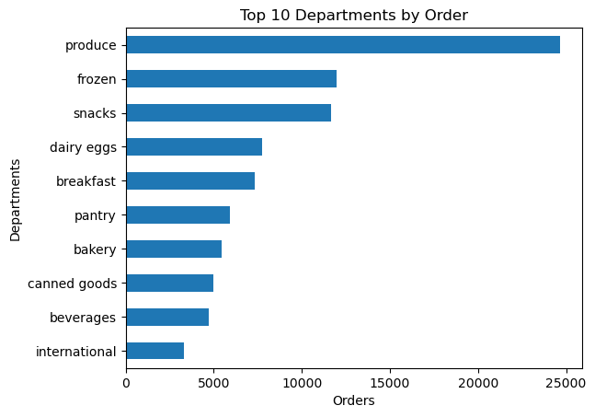
 |  |  | Produce item has the highest frequency compare to others product.

5. What’s the distribution among users in regards to their brand loyalty (i.e., how often do they return to Instacart)?

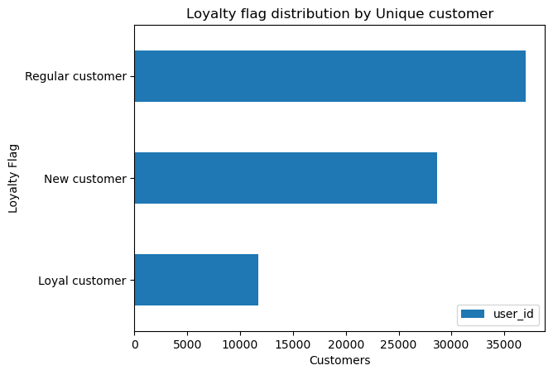
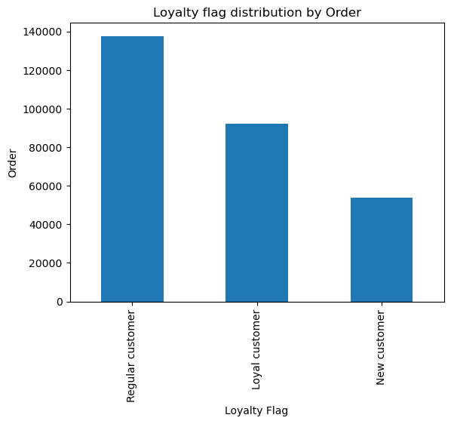

6. Are there differences in ordering habits based on a customer’s loyalty status?

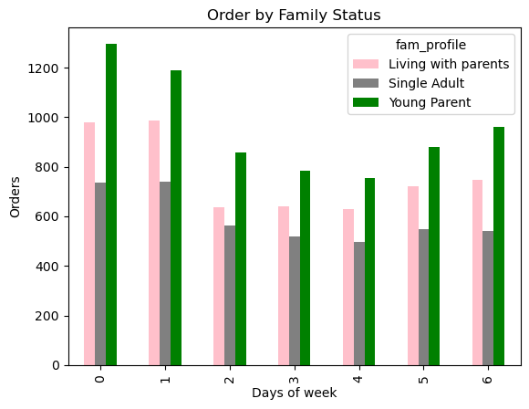
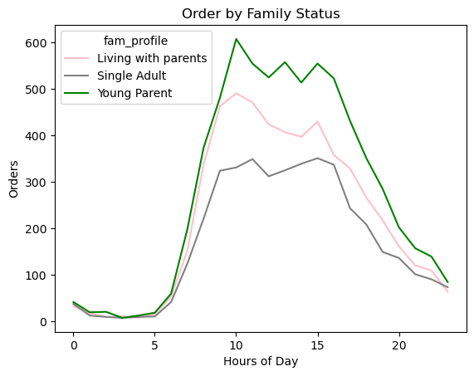

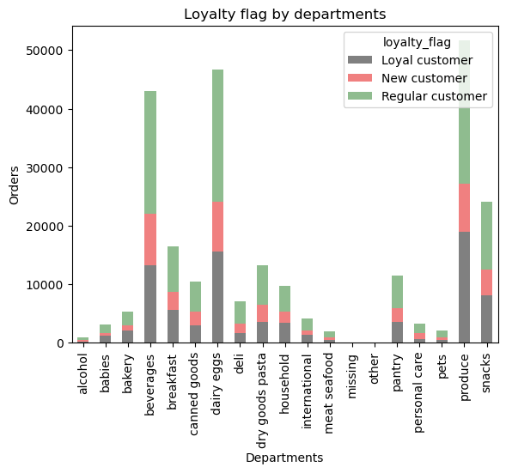

7. Are there differences in ordering habits based on a customer’s region?

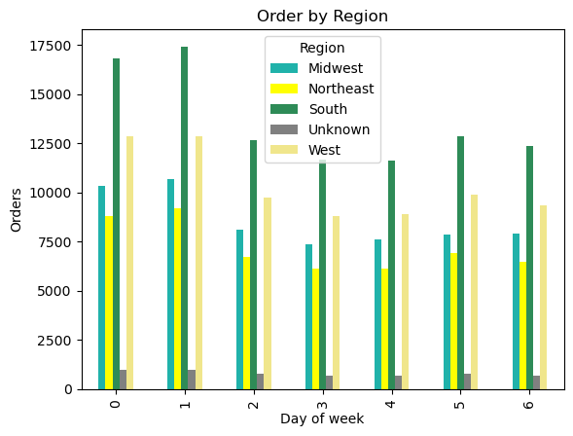
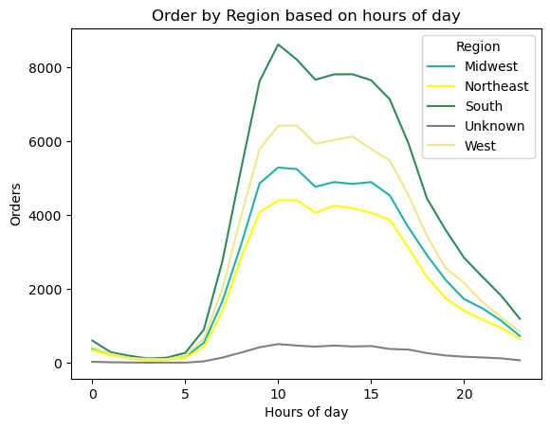

8. Is there a connection between age and family status in terms of ordering habits?

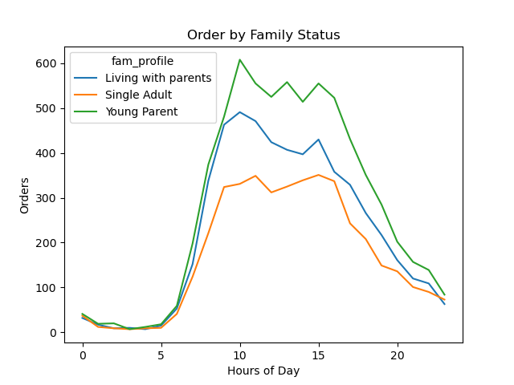

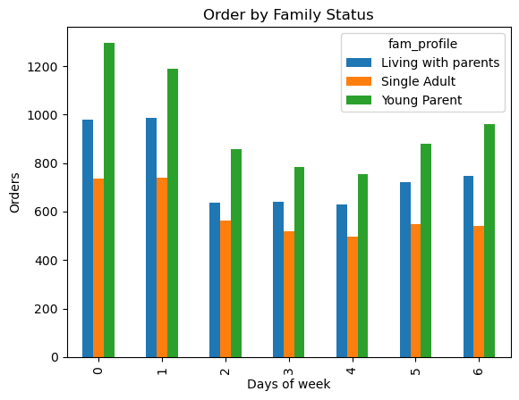
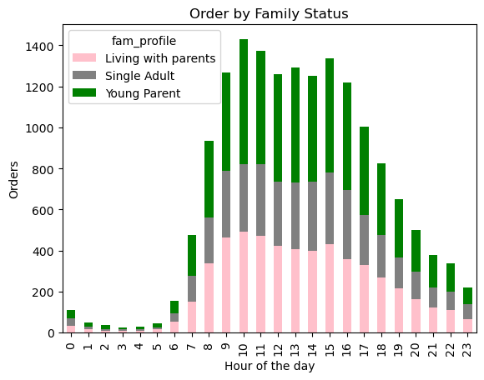

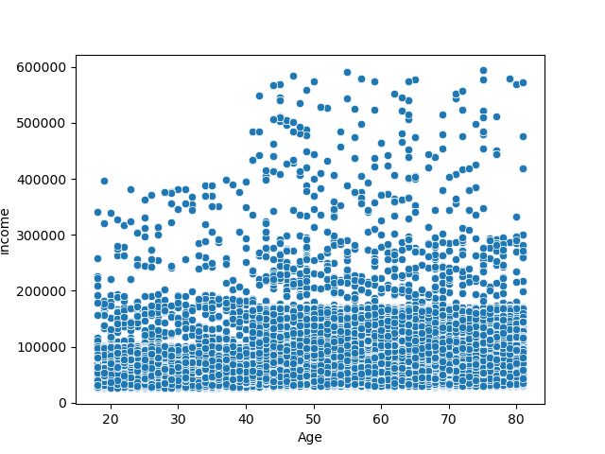

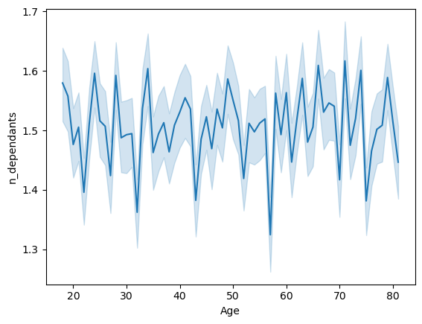

9. What different classifications does the demographic information suggest? Age? Income? Certain types of goods? Family status?

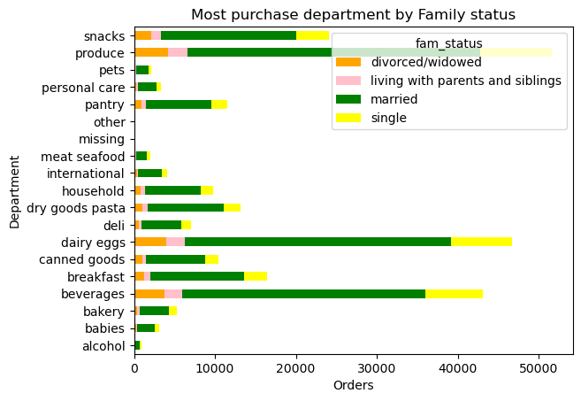
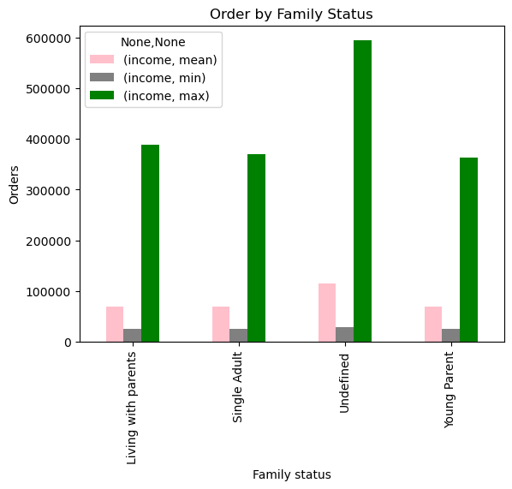

10. What differences can you find in ordering habits of different customer profiles? Consider the price of orders, the frequency of orders, the products customers are ordering, and anything else you can think of.

7. Recommendations
Title page

Recommendations

Key Question 1 Promote heavily on weekdays during early mornings and late afternoons.
Key Question 2 Place a stronger focus on the Northeast and Midwest regions.
Key Question 3 Recognize and incentivize loyal customers with special offers.
Key Question 4 Consider targeting older customers as they tend to make larger purchases.
Key Question 5 Prioritize low and mid – priced items due to their higher order frequency compared to lower- frequency items.
Key Question 6 Prioritize departments such as Produce, Eggs, Snacks, Beverages, and Pantry items, as they have the highest order frequency.

